Spalding
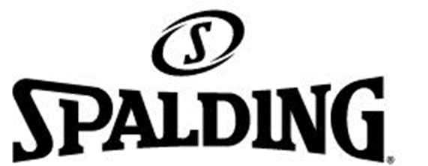

LOGO

PHOTO | BRAND | REFERENCE | ITEM-NAME | COLOR | GENDER | SCALE | PREPACK | U / P | QTY | DELIVERY | RETAIL PRICE | Price
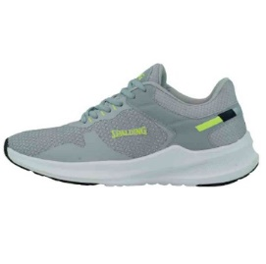 Picture 1 | SPALDING | ADS-05502M-070 | TESEO | GRAY/WHITE | MENS | MF01 | 6 | 12 | 72 | Ready for delivery at the brand's warehouse | $39.95 | $13.50
 | SPALDING | ADS-05502M-070 | TESEO | GRAY/WHITE | MENS | MF02 | 5 | 12 | 60 | Ready for delivery at the brand's warehouse | $39.95 | $13.50
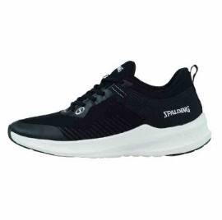 Picture 2 | SPALDING | ADS-05505M-001 | SILVANO | spsps | MENS | MF01 | 7 | 12 | 84 | Ready for delivery at the brand's warehouse | $39.95 | $13.50
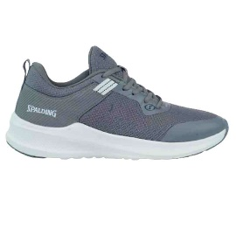 Picture 3 | SPALDING | ADS-05505M-070 | SILVANO | GRAY/WHITE | MENS | MF01 | 9 | 12 | 108 | Ready for delivery at the brand's warehouse | $39.95 | $13.50
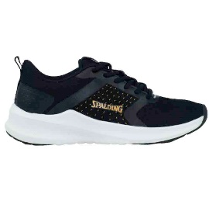 Picture 4 | SPALDING | ADS-05509W-011 | RAYSSA | BLACK/GOLD | WOMENS | WF02 | 20 | 12 | 240 | Ready for delivery at the brand's warehouse | $39.95 | $13.50
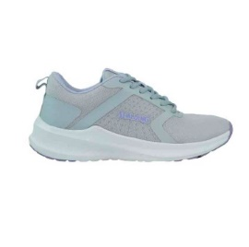 Picture 5 | SPALDING | ADS-05509W-081 | RAYSSA | LIGHT GRAY/LIGHT PURPLE | WOMENS | WF01 | 12 | 12 | 144 | Ready for delivery at the brand's warehouse | $39.95 | $13.50
 | SPALDING | ADS-05509W-081 | RAYSSA | LIGHT GRAY/LIGHT PURPLE | WOMENS | WF02 | 1 | 12 | 12 | Ready for delivery at the brand's warehouse | $39.95 | $13.50
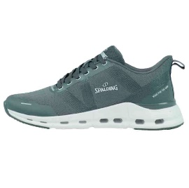 Picture 6 | SPALDING | ADS-05541M-070 | LEX | GRAY/WHITE | MENS | MF01 | 9 | 12 | 108 | Ready for delivery at the brand's warehouse | $39.95 | $13.50
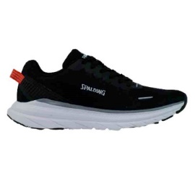 Picture 7 | SPALDING | ADS-09502M-001 | LUCKY | BLACK/WHITE | MENS | MF01 | 5 | 12 | 60 | Ready for delivery at the brand's warehouse | $39.95 | $13.50
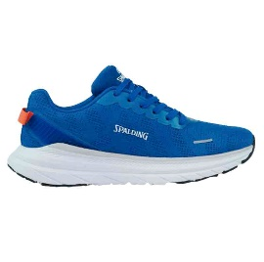 Picture 8 | SPALDING | ADS-09502M-401 | LUCKY | ROYAL/WHITE | MENS | MF01 | 14 | 12 | 168 | Ready for delivery at the brand's warehouse | $39.95 | $13.50
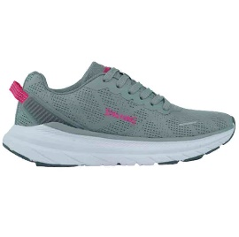 Picture 9 | SPALDING | ADS-09502W-055 | LUCKY | GRAY/ROSE | WOMENS | WF02 | 28 | 12 | 336 | Ready for delivery at the brand's warehouse | $39.95 | $13.50
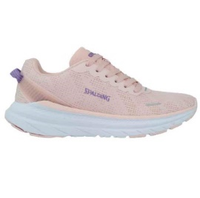 Picture 10 | SPALDING | ADS-09502W-950 | LUCKY | PINK ORANGE/PURPLE | WOMENS | WF02 | 28 | 12 | 336 | Ready for delivery at the brand's warehouse | $39.95 | $13.50
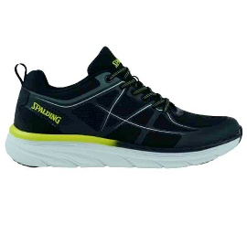 Picture 11 | SPALDING | ADS-09504M-033 | ARIEL | BLACK/LIME GREEN | MENS | MF01 | 8 | 12 | 96 | Ready for delivery at the brand's warehouse | $39.95 | $13.50
 | SPALDING | ADS-09504M-033 | ARIEL | BLACK/LIME GREEN | MENS | MF02 | 11 | 12 | 132 | Ready for delivery at the brand's warehouse | $39.95 | $13.50
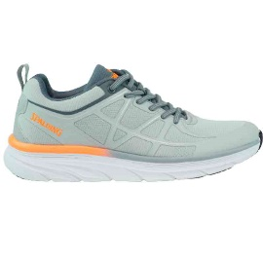 Picture 12 | SPALDING | ADS-09504M-080 | ARIEL | LIGHT GRAY/GRAY/ORANGE POPSICL | MENS | MF01 | 13 | 12 | 156 | Ready for delivery at the brand's warehouse | $39.95 | $13.50
 | SPALDING | ADS-09504M-080 | ARIEL | LIGHT GRAY/GRAY/ORANGE POPSICL | MENS | MF02 | 13 | 12 | 156 | Ready for delivery at the brand's warehouse | $39.95 | $13.50
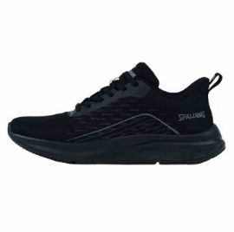 Picture 13 | SPALDING | ADS-09512M-002 | ANDREAS | BLACK/BLACK | MENS | MF02 | 3 | 12 | 36 | Ready for delivery at the brand's warehouse | $39.95 | $13.50
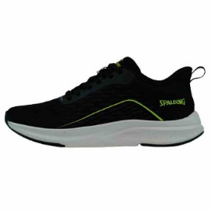 Picture 14 | SPALDING | ADS-09512M-003 | ANDREAS | BLACK/LIME | MENS | MF02 | 16 | 12 | 192 | Ready for delivery at the brand's warehouse | $39.95 | $13.50
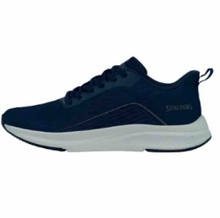 Picture 15 | SPALDING | ADS-09512M-410 | ANDREAS | NAVY/GRAY | MENS | MF02 | 7 | 12 | 84 | Ready for delivery at the brand's warehouse | $39.95 | $13.50
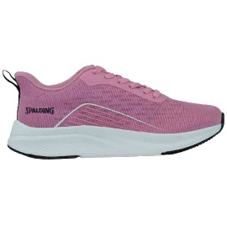 Picture 16 | SPALDING | ADS-09512W-550 | ANDREAS | FOXGLOVE/WHITE | WOMENS | WF01 | 9 | 12 | 108 | Ready for delivery at the brand's warehouse | $39.95 | $13.50
 | SPALDING | ADS-09512W-550 | ANDREAS | FOXGLOVE/WHITE | WOMENS | WF02 | 8 | 12 | 96 | Ready for delivery at the brand's warehouse | $39.95 | $13.50
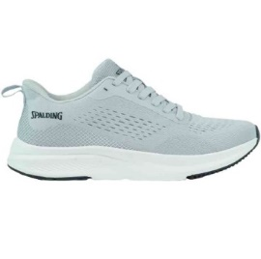 Picture 17 | SPALDING | ADS-11503M-050 | CYRIL | GRAY/BLACK | MENS | MF01 | 11 | 12 | 132 | Ready for delivery at the brand's warehouse | $39.95 | $13.50
 | SPALDING | ADS-11503M-050 | CYRIL | GRAY/BLACK | MENS | MF02 | 13 | 12 | 156 | Ready for delivery at the brand's warehouse | $39.95 | $13.50
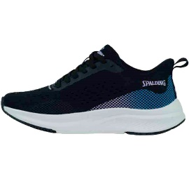 Picture 18 | SPALDING | ADS-11503W-007 | CYRIL | BLACK/PURPLE | WOMENS | WF02 | 5 | 12 | 60 | Ready for delivery at the brand's warehouse | $39.95 | $13.50
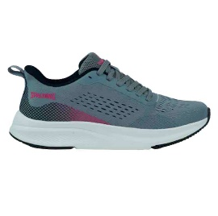 Picture 19 | SPALDING | ADS-11503W-066 | CYRIL | GRAY/ROSE RED | WOMENS | WF02 | 15 | 12 | 180 | Ready for delivery at the brand's warehouse | $39.95 | $13.50
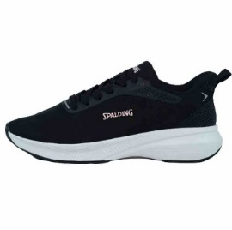 Picture 20 | SPALDING | ADS-11508W-005 | DION | BLACK/PINK | WOMENS | WF02 | 23 | 12 | 276 | Ready for delivery at the brand's warehouse | $39.95 | $13.50
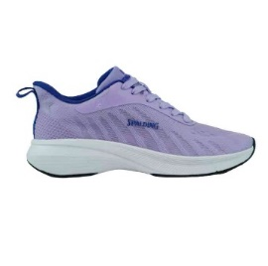 Picture 21 | SPALDING | ADS-11508W-720 | DION | LAVANDER/ROYAL | WOMENS | WF01 | 15 | 12 | 180 | Ready for delivery at the brand's warehouse | $39.95 | $13.50
 | SPALDING | ADS-11508W-720 | DION | LAVANDER/ROYAL | WOMENS | WF02 | 42 | 12 | 504 | Ready for delivery at the brand's warehouse | $39.95 | $13.50
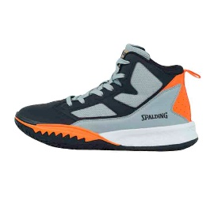 Picture 22 | SPALDING | BKS-03102M-095 | POSEIDON | GUARRY GRAY/BLACK/ORANGE | MENS | MF01 | 2 | 12 | 24 | Ready for delivery at the brand's warehouse | $54.95 | $17.80
 | SPALDING | BKS-03102M-095 | POSEIDON | GUARRY GRAY/BLACK/ORANGE | MENS | MF02 | 4 | 12 | 48 | Ready for delivery at the brand's warehouse | $54.95 | $17.80
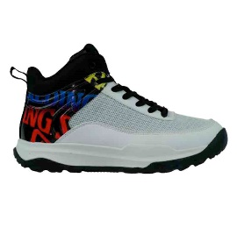 Picture 23 | SPALDING | BKS-03103M-100 | ARES | WHITE/BLACK MIX | MENS | MF01 | 1 | 12 | 12 | Ready for delivery at the brand's warehouse | $54.95 | $17.80
 | SPALDING | BKS-03103M-100 | ARES | WHITE/BLACK MIX | MENS | MF02 | 3 | 12 | 36 | Ready for delivery at the brand's warehouse | $54.95 | $17.80
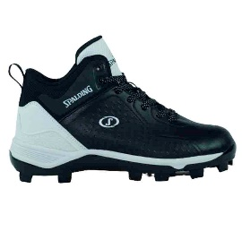 Picture 24 | SPALDING | BSS-05114M-001 | URANO | BLACK/WHITE | MENS | MF02 | 27 | 12 | 324 | Ready for delivery at the brand's warehouse | $57.95 | $18.70
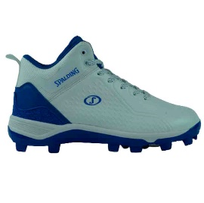 Picture 25 | SPALDING | BSS-05114M-104 | URANO | WHITE/ROYAL | MENS | MF01 | 11 | 12 | 132 | Ready for delivery at the brand's warehouse | $57.95 | $18.70
 | SPALDING | BSS-05114M-104 | URANO | WHITE/ROYAL | MENS | MF02 | 43 | 12 | 516 | Ready for delivery at the brand's warehouse | $57.95 | $18.70
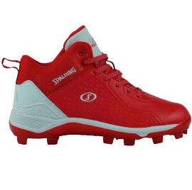 Picture 26 | SPALDING | BSS-05114M-600 | URANO | RED/WHITE | MENS | MF01 | 8 | 12 | 96 | Ready for delivery at the brand's warehouse | $57.95 | $18.70
 | SPALDING | BSS-05114M-600 | URANO | RED/WHITE | MENS | MF02 | 41 | 12 | 492 | Ready for delivery at the brand's warehouse | $57.95 | $18.70
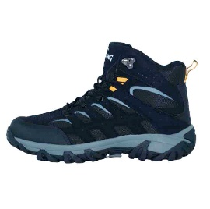 Picture 27 | SPALDING | HKS-05110M-008 | PEGASO | BLACK/GRAY | MENS | MF01 | 6 | 12 | 72 | Ready for delivery at the brand's warehouse | $56.95 | $18.40
 | SPALDING | HKS-05110M-008 | PEGASO | BLACK/GRAY | MENS | MF02 | 9 | 12 | 108 | Ready for delivery at the brand's warehouse | $56.95 | $18.40
 | SPALDING | HKS-05110M-220 | PEGASO | BROWN/BLACK | MENS | MF02 | 14 | 12 | 168 | Ready for delivery at the brand's warehouse | $56.95 | $18.40
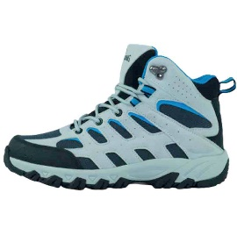 Picture 29 | SPALDING | HKS-05110W-057 | PEGASO | LIGHT GRAY/CELESTIAL | WOMENS | WF01 | 6 | 12 | 72 | Ready for delivery at the brand's warehouse | $56.95 | $18.40
 | SPALDING | HKS-05110W-057 | PEGASO | LIGHT GRAY/CELESTIAL | WOMENS | WF02 | 34 | 12 | 408 | Ready for delivery at the brand's warehouse | $56.95 | $18.40
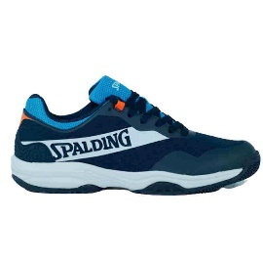 Picture 31 | SPALDING | PDS-06718M-411 | PERSEFONE | NAVY/ELECTRIC BLUE | MENS | MF02 | 1 | 12 | 12 | Ready for delivery at the brand's warehouse | $49.95 | $16.40

 |  |  |  |  |  |  |  |  | 6792

